TVNET
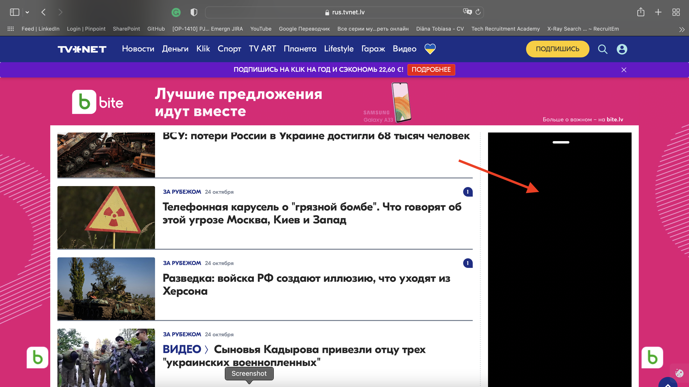
Project Name: https://rus.tvnet.lv
Test Case ID: 1-001 |  |  | Test Designed by: - Developer
Test Priority : Low |  |  | Test Designed date: - 2022
Module Name: E2E |  |  | Test Executed by: Diana
Test Title: Exploratory testing |  |  | Test Execution date: - 2022
Description: Explore all GUI elements
Pre-conditions: Version 15.3 (17612.4.9.1.8) by using MacBook Air M1
Step | Tests | Test Data | Expectaed results | Actual results | Status
1 | Navigate to https://rus.tvnet.lv |  | User should be able to navigate | As Expected | PASSED
2 | Find at the top of "hear icon" |  | User should be able to see heart icon | As Expected | PASSED
3 | Click on the "heart icon" |  | User should able to click to the icon | As Expected | PASSED
4 | Scroll down all ads |  | User able to scroll all page with ads | As Expected | PASSED
5 | User can see all ads |  | Each ads are uploaded | One of animated ad doesn’t working | FAILED

